Sheet1
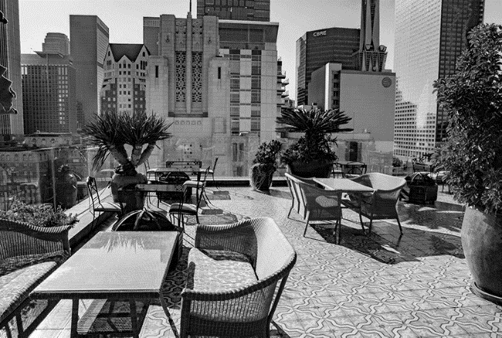
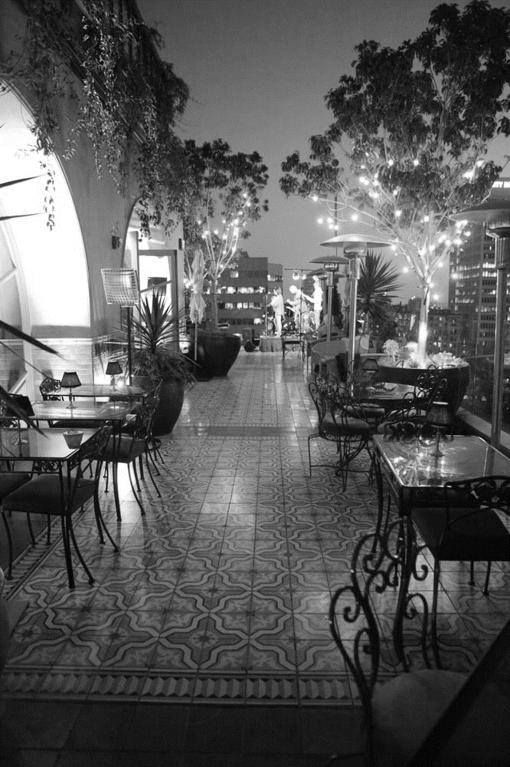
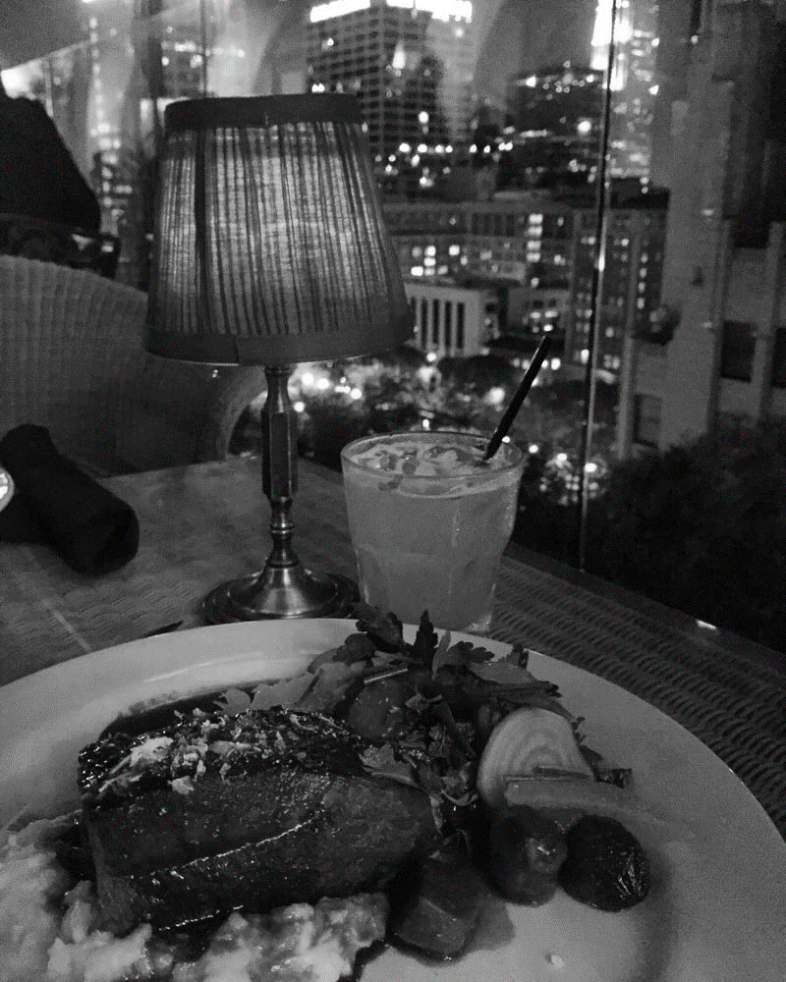
THE CRAVINGS
THE CRAVINGS

Cuisine
Location
Cuisine
v
v
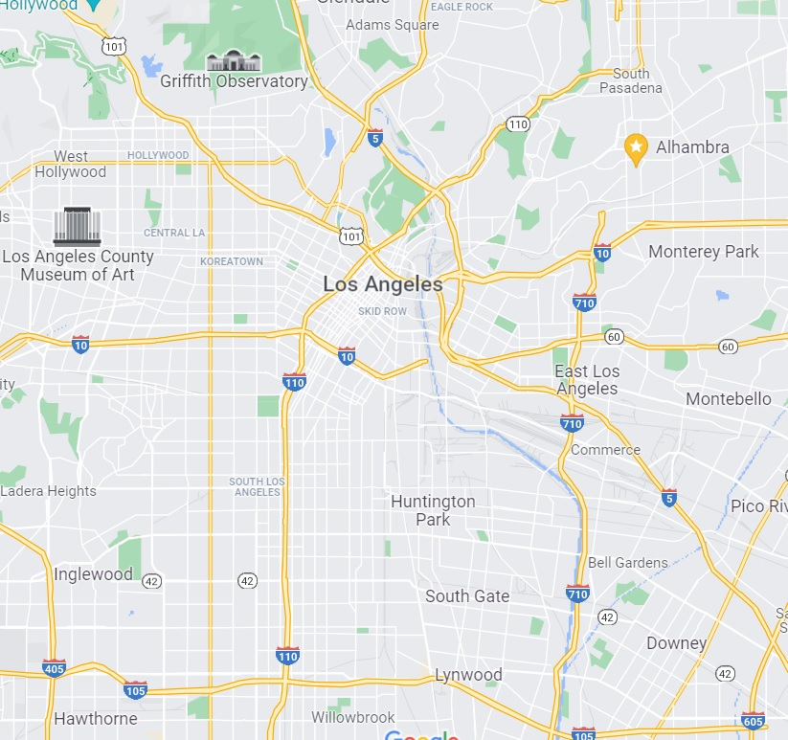

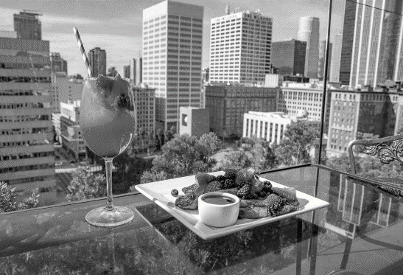

Location

v

v

Trending Spots
What's Busy
Trending Spots

Toca Madre
Boa
H & H Steakhouse
Quarters

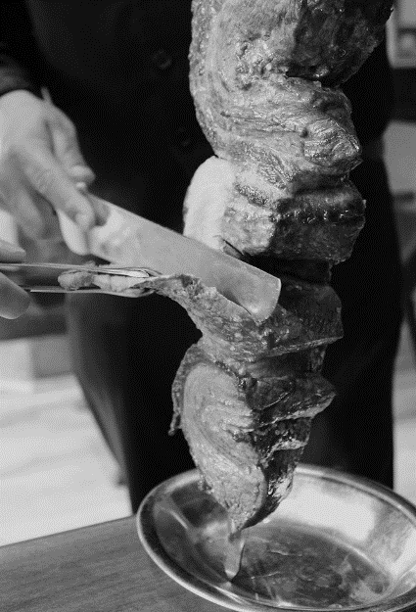
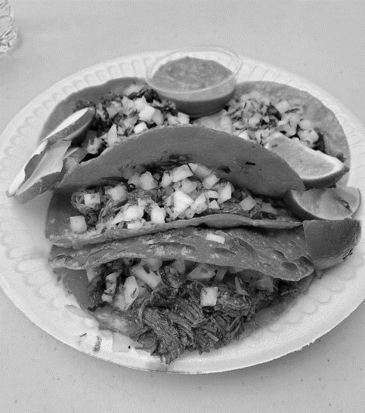

Perch

Address
French, Breakfast & Brunch
Monday 4:00 PM - 1:00 AM (Next day)
Tuesday 4:00 PM - 1:00 AM (Next day)
Wednesday 4:00 PM - 1:00 AM (Next day)
Thursday 4:00 PM - 2:00 AM (Next day)
Friday 4:00 PM - 2:00 AM (Next day)
Saturday
10:00 AM - 3:30 PM
5:00 PM - 2:00 AM (Next day)
Sunday
10:00 AM - 3:30 PM
5:00 PM - 1:00 AM (Next day)

448 S Hill St
Los Angeles, CA 90013

